Filter for data source
Instructions - START HERE: This tab is a query tool that allows for a user to enter a list of possible data sources and receive the potential indicators associated with those sources
Step 1. Confirm your version of Excel supports the Filter formula and that you are not in compatibility mode. Here are the versions that support Filter: Excel for Microsoft 365, Excel Online, Excel 2021 or Excel 2024.
Step 2. Copy and paste this formula into A16. =FILTER('Full table'!A2:G139,((B9<>"")*ISNUMBER(SEARCH(B8,'Full table'!B2:B139))+ (B10<>"")*ISNUMBER(SEARCH(B10,'Full table'!B2:B139))+ (B11<>"")*ISNUMBER(SEARCH(B11,'Full table'!B2:B139))+ (B12<>"")*ISNUMBER(SEARCH(B12,'Full table'!B2:B139))+ (B13<>"")*ISNUMBER(SEARCH(B13,'Full table'!B2:B139)))>0,"No matches")
Step 3. Enter your data sources in cells B3 through B7. The query will search for any word within field. For example, if you only type "census", then it will pull up every instance where this word exists in the list of data sources.
Step 4: The list should populate with all possible indicators that are available from these various data sources.
Step 5: Reset the query by deleting the values in the cells B3 through B7
*If this does not work, confirm your version of Excel, verify compatibility mode is not on, or try filtering in the full table.

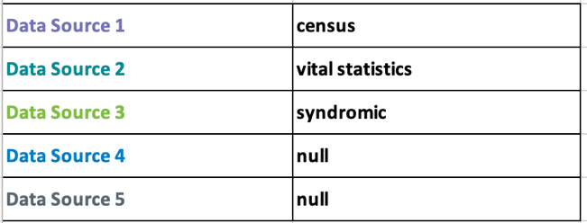
Data Source 1 |  |  | Example: You are a disaster epidemiologist and you are interested in better understanding the impact of a natural disaster on the mental well-being of children and adolescents. You have access to Vital Statistics, Census and Syndromic
Data Source 2 |  |  | Surveillance data and are curious what possible indicators you could track using these data sources. When you enter the names of the data sources into the table, a list of all possible indicators associated with these data sources will appear.
Data Source 3
Data Source 4
Data Source 5

Domain | Possible data source(s) | Possible indicator | Indicator proximity to Childhood and Adolescent Mental Health (CAMH) | Suggested periodicity of data collection | Preparedness phase | Notes

end of worksheet

