Cover page
Immunization Information System (IIS) Baseline Requirements Traceability Matrix (RTM)
Update Released July 2025
This requirements traceability matrix (RTM) contains draft baseline functional and non-functional requirements for an immunization information system (IIS). The requirements clarify minimum expectations for what IIS technology must do and how it must operate to support IIS Functional Standards and programmatic and immunization stakeholder needs. The functional requirements describe intended behaviors of an IIS to support business processes and tasks, by function and capability. The non-functional requirements convey technical requirements related to how a system must operate, by attribute and sub-characteristic. An embedded IIS Functional Model presents a visual depiction of the core functions, capabilities and attributes of IIS and serves as a companion to the requirements. This RTM is intended to be used by immunization programs as a starting point for the procurement of an IIS platform, module or enhancement. The RTM should be used throughout the system development life cycle (SDLC) to ensure requirements are met in a final product or system. Immunization programs and IIS may also use the IIS Functional Model and the requirements within this RTM to help assess and identify gaps in current IIS functions, capabilities and technical quality and provide a roadmap for future development within or across jurisdictions.

Contents
Guidance: Using the RTM | Step-by-step guidance and helpful hints/notes for using the RTM as part of a procurement process.
Functional Model | Draft IIS Functional Model (FM), a visual depiction of IIS functions and capabilities and attributes.
FM Descriptions | Descriptions of the IIS Functional Model functions and capabilities and attributes; also provides an indication of total requirements by function/category.
RTM Format | Description of how the RTM is structured for presentation of the requirements.
Requirements by Function/Grouping:
Admin System | Requirements related to the function: Administer System
Manage Orgs | Requirements related to the function: Manage Organizations and Facilities
Manage Users | Requirements related to the function: Manage Users
Interop | Requirements related to the function: Support Interoperability
Data Quality | Requirements related to the function: Ensure Data Quality
Eval Forecast | Requirements related to the function: Evaluate & Forecast
Manage Pt Iz Record | Requirements related to the function: Manage Patient & Immunization Records
Manage Vaccine Inventory | Requirements related to the function: Manage Vaccine Inventory
Data Access | Requirements related to the function: Provide Data Access
Non-functional | Technical requirements across key attributes
Glossary | List of terms used in requirements and their definitions
Crosswalk to FS | Compare the Functional Model to the IIS Functional Standards (FS)

This RTM was developed by the Public Health Informatics Institute, in partnership with AIRA and CDC and with financial support from CDC under Cooperative Agreement number 6 NH23IP922664-01. Questions, comments and suggestions are welcomed at iis@phii.org.

Functional Model
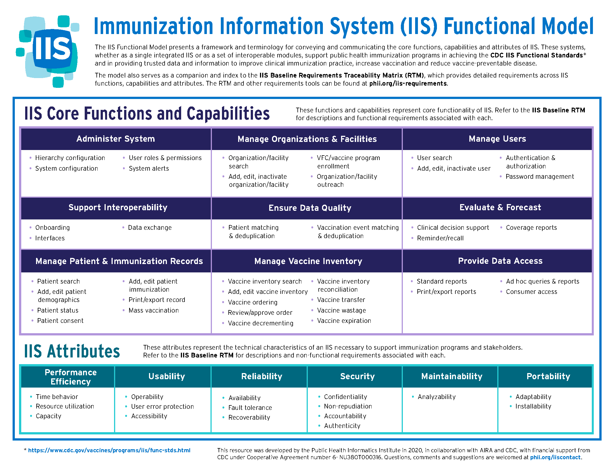
Return to Cover Page

