Functional Model
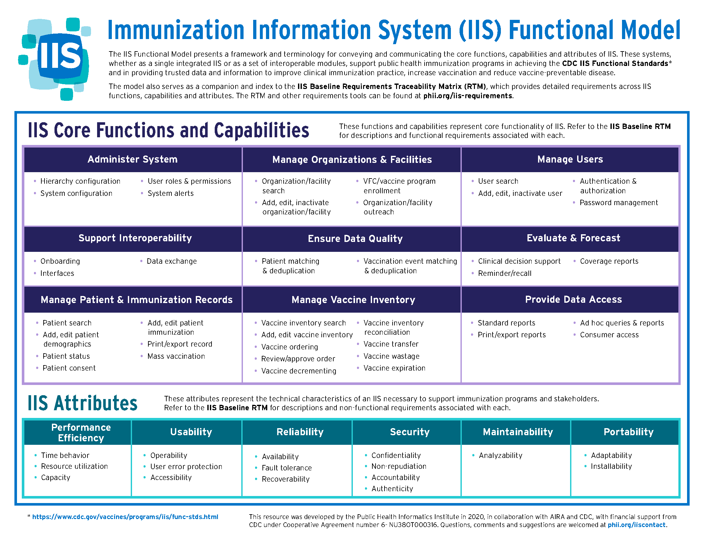

Assessment Map
IIS Dashboard Measure
Identify areas of opportunity - Look at the IISAR to determine measures where target was not achieved. For example:
1.1.1. Percentage of children born and residing in the IIS's jurisdiction in the last calendar year that had a record established in the IIS within 30 days of birth.
Functional Standard
The IISAR measures map to a specific IIS Functional Standard.
1. The IIS contains complete and timely demographic and immunization data for children, adolescents, and adults residing or immunized within its jurisdiction.
Functional Model
The IIS Functional Standards are mapped to the IIS Functional Model both the functions and attributes (within the RTM).
Support Interoperability, Ensure Data Quality, Manage Patient Immunization Records, and Reliability.
Capabilities/
Sub-Characteristics
The functions and attributes in the IIS Functional Model are mapped to capabilities and sub-characteristics (Assessment of Core Functions, Capabilities, and Attributes within the RTM).
Support Interoperability capabilities: Onboarding, Interfaces, Data Exchange
Requirements
Review requirements mapped to the capabilities and sub-characteristics.

